Regenovana IL
A | MTBE
B | Metanol
C | [BMIM][HSO4]

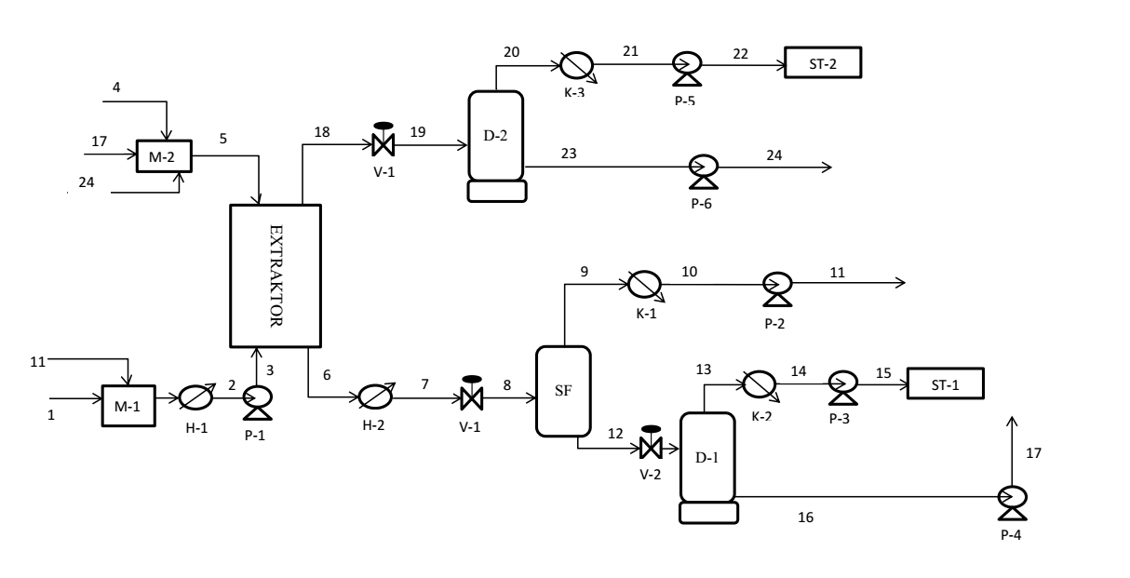
Materialova Bilancia
skupenstvo | Teplota [C] | Tlak [kPa] | Cislo prudu | n [kmol/h] | xi
 |  |  |  |  | A | B | C
L | 25.0 | 101.325 | 1 | 531.13 | 0.5400 | 0.4600 | 0
L | 45.0 | 101.325 | 2,3 | 647.98 | 0.4758 | 0.5242 | 0
L | 45.0 | 101.325 | 4 | 0 | 0 | 0 | 1.0000
L | 45.0 | 101.325 | 5 | 258.38 | 0.0016 | 0.0200 | 0.9785
L | 45.0 | 101.325 | 6 | 619.13 | 0.0362 | 0.5557 | 0.4081
L | 68.0 | 101.325 | 7 | 619.13 | 0.0362 | 0.5557 | 0.4081
G-L | 45.1 | 50.0 | 8 | 619.13 | 0.0362 | 0.5557 | 0.4081
G | 45.1 | 50.0 | 9 | 116.82 | 0.1838 | 0.8162 | 0.0000
L | 37.6 | 50.0 | 10 | 116.82 | 0.1838 | 0.8162 | 0.0000
L | 37.6 | 101.325 | 11 | 116.82 | 0.1838 | 0.8162 | 0.0000
L | 45.1 | 50.000 | 12 | 502.30 | 0.0019 | 0.5031 | 0.4951
G | 45.1 | 2.45 | 13 | 244.45 | 0.0038 | 0.9962 | 0.0000
L | 25.0 | 2.45 | 14 | 244.45 | 0.0038 | 0.9962 | 0.0000
L | 25.0 | 101.325 | 15 | 244.45 | 0.0038 | 0.9962 | 0.0000
L | 45.1 | 2.45 | 16 | 257.84 | 2.34E-07 | 0.0200 | 0.9800
L | 45.1 | 101.325 | 17 | 257.84 | 2.34E-07 | 0.0200 | 0.9800
L | 45.0 | 101.325 | 18 | 287.21 | 0.9968 | 0.0005 | 0.0027
G-L | 44.6 | 73.50 | 19 | 287.21 | 0.9968 | 0.0005 | 0.0027
G | 45.0 | 73.50 | 20 | 286.66 | 0.9972 | 0.0028 | 0.0000
L | 25.0 | 73.50 | 21 | 286.66 | 0.9972 | 0.0028 | 0.0000
L | 25.0 | 101.325 | 22 | 286.66 | 0.9972 | 0.0028 | 0.0000
L | 45.0 | 73.500 | 23 | 0.54 | 0.7497 | 0.0003 | 0.2500
L | 45.0 | 101.325 | 24 | 0.54 | 0.7497 | 0.0003 | 0.2500

Extraktor |  |  |  | t=45C | p=101.325kPa
Cislo prudu |  | n[kmol/h] | xA | xB | xC |  |  |  | kmol/h | kg/kmol | kg/h | kg/s
2,3 | F | 647.98 | 0.4760 | 0.5238 | 0.0002 |  |  |  | 258.38 | 231.98 | 59,939.27 | 16.65
5 | S | 258.38 | 2.34E-07 | 0.0200 | 0.9800 |  |  |  | 647.98 | 58.74 | 38,059.26 | 10.57
18 | E1 | 287.21 | 0.9968 | 0.0005 | 0.0027
6 | R5 | 619.13 | 0.0362 | 0.4081 | 0.5557

Kontakt | nE [kmol/h] | xA | xB | xC |  | nR [kmol/h] | xA | xB | xC
1 | 29.14 | 0.0362 | 0.5557 | 0.4081 |  | 15.78 | 0.8635 | 0.1352 | 0.0013
2 | 14.40 | 0.0104 | 0.1625 | 0.8272 |  | 13.85 | 0.9756 | 0.0238 | 0.0006
3 | 12.47 | 0.0033 | 0.0430 | 0.9538 |  | 13.59 | 0.9937 | 0.0058 | 0.0005
4 | 12.21 | 0.0026 | 0.0233 | 0.9741 |  | 13.55 | 0.9964 | 0.0031 | 0.0005
5 | 12.17 | 0.0025 | 0.0204 | 0.9771 |  | 13.52 | 0.9968 | 0.0027 | 0.0005

Rocna celosvetova vyroba za 2022 MTBE
17000000 | t/rok

rok=dni | 330
hodin | 7920
t/h | 2146.4646465
kg/h | 2146464.6465 |  | 1% je | 21464.646465

chceme vyroba |  |  | teraz
kg/h | 25200 |  | kg/h | 1,186.14
kg/s | 7 |  | kg/s | 0.33
kmol/h | 285.87634714 |  | kmol/h | 13.46
 | koef nasobenia | 21.245
 |  | 21.245

Parametre
Tabulka CHI
Metanol |  | M [kg/kmol] | 32.04 |  |  | [EMIM][HSO4] | z ILThermo |  |  |  | J/mol/K | = | kJ/kmol/K
cp | kcal/kg/K |  |  |  |  | Ficke, L. E.; Novak, R.; Brennecke, J. F. (2010) J. Chem. Eng. Data 55(11),
a | b | c | d |  |  | T | cp[J/mol/K] |  |  | cp
283.15 | 290
293.15 | 294
303.15 | 297
313.15 | 302
323.15 | 306
333.15 | 313
343.15 | 324
283.15 | 290
293.15 | 294
303.15 | 297
313.15 | 302
323.15 | 306
333.15 | 313
343.15 | 324
0.8382 | -0.003231 | 0.000008296 | -1.689E-10 |  |  | 283.15 | 290 |  | a | b | c
kJ/kmol/K |  |  |  |  |  | 293.15 | 294 |  | 753.28 | -3.4195 | 0.0063
a | b | c | d |  |  | 303.15 | 297
112.44039935 | -0.43342272763 | 0.0011128675173 | -2.2657102661E-08 |  |  | 313.15 | 302
 |  |  |  |  |  | 323.15 | 306
 |  |  |  |  |  | 333.15 | 313
 |  |  |  |  |  | 343.15 | 324

Metanol
A [kJ/mol] | 45.3
alpha | -0.31
beta | 0.4241
Tc [K] | 512.6 |  | NIST

MTBE
A [kJ/mol] | 46.23
beta | 0.2893
Tc [K] | 497.1
 |  | Majer, V.; Svoboda, V., Enthalpies of Vaporization of Organic Compounds: A Critical Review and Data Compilation, Blackwell Scientific Publications, Oxford, 1985, 300.

 |  | Andon, R.J.L.; Martin, J.F., Thermodynamic properties of organic oxygen compounds. 40. Heat capacity and entropy of six ethers, J. Chem. Thermodynam., 1975, 7, 593-606.

i–j | Δgij(kJ·mol−1) | Δgji(kJ·mol−1) | rmsd | α |  |  |  | Antoine equation parameters (Pa)
 | NRTL parameters |  |  |  |  |  |  |  | A | B | C
MTBE (1) + methanol (2) + [BMIM][HSO4] (3) at 318.15 K |  |  |  |  |  |  |  | A | 20.84054 | -2624.525 | -46.15171
1–2 | 5.5737 | 7.4991 | 0.0065 | 0.4 |  |  |  | B | 23.5347 | -3661.468 | -32.77001
1–3 | 19.2694 | 16.2120 |  |  |  |  |  | C | 0 | 0 | 0
2–3 | 10.6456 | 0.5632

τ12 | τ21 | τ13 | τ31 | τ23 | τ32
2.1071800297 | 2.8350922655 | 7.2849444469 | 6.1290709297 | 4.024650721 | 0.21292207918
G12 | G21 | G13 | G31 | G23 | G32
0.43047242445 | 0.3217318301 | 0.054259467875 | 0.086153182795 | 0.19991554264 | 0.91835722353

The Journal of Chemical Thermodynamics
Volume 132, May 2019, Pages 76-82

